Disclaimer
Disclaimer
This publication has been prepared by Danske Bank for information purposes only. It is not an offer or solicitation of any offers to purchase or sell any securities, currency or financial instruments. Whilst reasonable care has been taken to ensure that the content of this publication is not untrue or misleading, no representation is made as to its accuracy or completeness, and no liability is accepted for any loss arising from reliance on it. Danske Bank, its affiliates or staff may perform business services, hold, establish, change or cease to hold positions in any securities, currency or financial instrument mentioned in this publication. Danske Bank Group’s research analysts are not permitted to invest in securities under coverage in their research sector. This publication is not intended for private customers in the UK or any person in the US. Danske Bank is regulated by the PRA and the FCA for the conduct of investment business in the UK and is a member of the London Stock Exchange. Copyright © 2017 Danske Bank A/S. All rights reserved. This publication is protected by copyright and may not be reproduced in whole or in part without permission.

41
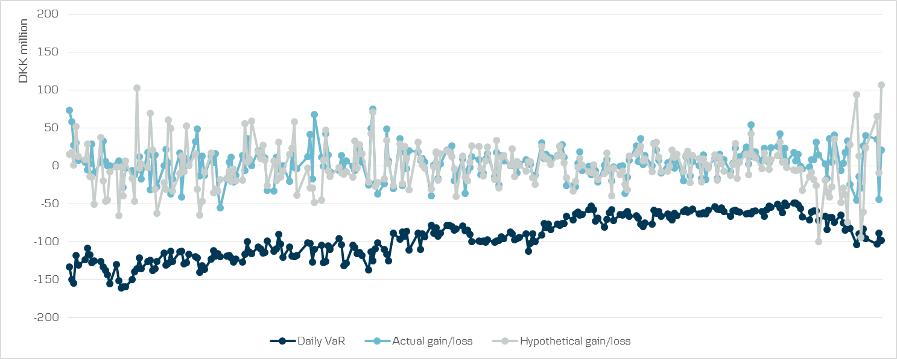
Comparison of VaR estimates with gains/losses | Index

