Disclaimer
This publication has been prepared by Danske Bank for information purposes only. It is not an offer or solicitation of any offers to purchase or sell any securities, currency or financial instruments. Whilst reasonable care has been taken to ensure that the content of this publication is not untrue or misleading, no representation is made as to its accuracy or completeness, and no liability is accepted for any loss arising from reliance on it. Danske Bank, its affiliates or staff may perform business services, hold, establish, change or cease to hold positions in any securities, currency or financial instrument mentioned in this publication. Danske Bank Group’s research analysts are not permitted to invest in securities under coverage in their research sector. This publication is not intended for private customers in the UK or any person in the US. Danske Bank is authorised by the Danish Financial Supervisory Authority (Finanstilsynet) and subject to limited regulation by the Financial Conduct Authority and the Prudential Regulation Authority for the conduct of business in the UK. Details on the extent of our regulation by the Financial Conduct Authority and the Prudential Regulation Authority are available from us on request. Member of the London Stock Exchange. Copyright © 2017 Danske Bank A/S. All rights reserved. This publication is protected by copyright and may not be reproduced in whole or in part without permission.
Disclaimer

5. Macroeconomics
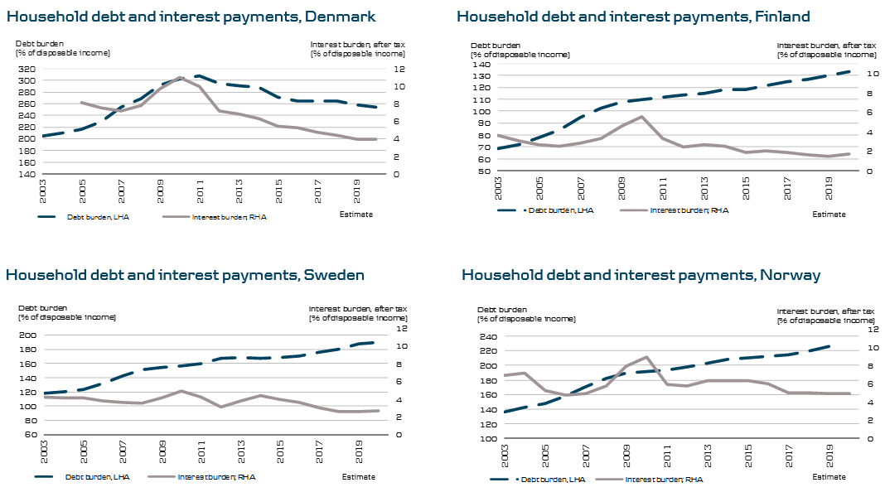
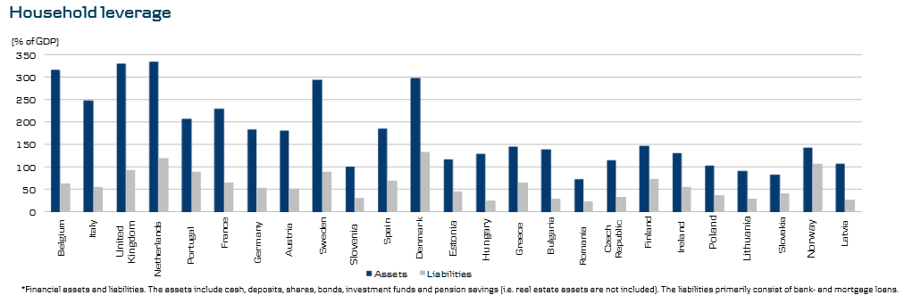
EXCHANGE RATES

(End of period) | Q417 | Q317 | Q217 | Q117 | Q416 | Q316 | Q216 | Q116
Euro (EUR) | 744.51 | 744.22 | 743.66 | 743.80 | 743.43 | 745.14 | 743.92 | 745.12
US dollar (USD) | 620.67 | 629.94 | 652.01 | 696.20 | 705.50 | 667.65 | 669.99 | 654.48
British pound sterling (GBP) | 838.87 | 843.39 | 846.36 | 869.22 | 869.45 | 864.97 | 899.49 | 941.34
Swedish krona (SEK) | 75.67 | 77.15 | 77.10 | 78.00 | 77.85 | 77.43 | 78.91 | 80.77
Norwegian krona (NOK) | 75.71 | 79.09 | 77.74 | 81.19 | 81.82 | 83.06 | 79.85 | 79.15
Polish zloty (PLN) | 178.24 | 172.67 | 176.00 | 176.09 | 168.49 | 172.56 | 167.72 | 175.01
Latvian lat (LVL) | 1,062.29 | 1,062.29 | 1,062.29 | 1,062.29 | 1,062.29 | 1,062.29 | 1,062.29 | 1,062.29
Lithuanian litas (LTL) | 215.58 | 215.58 | 215.58 | 215.58 | 215.58 | 215.58 | 215.58 | 215.58
Source: Danmarks Nationalbank (www.nationalbanken.dk).

MACROECONOMIC INDICATORS

DENMARK
Rating (S&P): AAA
(%) |  | 2019E | 2018E | 2017E | 2016 | 2015 | 2014 | 2013 | 2012 | 2011
GDP growth |  | 1.9 | 2.0 | 2.0 | 2.0 | 1.6 | 1.6 | 0.9 | 0.2 | 1.3
Export |  | 2.6 | 2.7 | 3.6 | 2.8 | 2.3 | 3.1 | 1.6 | 1.2 | 7.2
Private consumption* |  | 2.5 | 2.0 | 1.7 | 2.3 | 1.7 | 1.0 | 0.4 | 0.4 | 0.2
Public consumption |  | 0.5 | 0.7 | 0.8 | 0.3 | 1.1 | 1.9 | -0.1 | 0.8 | -0.6
Inflation |  | 1.4 | 1.2 | 1.2 | 0.3 | 0.5 | 0.6 | 0.8 | 2.4 | 2.8
Unemployment rate** |  | 4.0 | 4.1 | 4.3 | 4.2 | 4.6 | 5.0 | 5.8 | 6.1 | 5.9
3-month interest rate (avg.) |  | -0.3 | -0.3 | -0.3 | -0.1 | -0.1 | 0.3 | 0.3 | 0.6 | 1.4
10-year interest rate (avg.) |  | 1.2 | 0.5 | 0.1 | 0.6 | 0.7 | 1.2 | 1.7 | 1.5 | 2.7
Gross public debt (% of GDP) |  | 33.9 | 35.1 | 36.0 | 37.7 | 39.5 | 44.0 | 44.0 | 45.2 | 46.4
Budget balance (% of GDP) |  | -0.1 | -0.3 | 0.0 | -0.6 | -1.8 | 1.1 | -1.2 | -3.5 | -2.1
House prices |  | 2.5 | 4.0 | 4.0 | 3.9 | 6.1 | 3.4 | 2.7 | -3.3 | -2.5
*Household consumption
**Gross, average year

FINLAND
Rating (S&P): AA+
(%) |  | 2019E | 2018E | 2017E | 2016 | 2015 | 2014 | 2013 | 2012 | 2011
GDP growth |  | 1.9 | 2.3 | 3.1 | 1.9 | 0.0 | -0.6 | -0.8 | -1.4 | 2.6
Export |  | 4.0 | 4.0 | 8.1 | 1.3 | 0.8 | -2.7 | 1.1 | 1.2 | 2.0
Private consumption |  | 1.5 | 2.0 | 1.8 | 1.8 | 1.7 | 0.8 | -0.5 | 0.3 | 2.9
Public consumption |  | 0.2 | 0.4 | 0.3 | 1.2 | 0.0 | -0.5 | 1.1 | 0.5 | -0.1
Inflation |  | 1.4 | 1.2 | 0.8 | 0.4 | -0.2 | 1.0 | 1.5 | 2.8 | 3.5
Unemployment rate |  | 7.7 | 8.0 | 8.5 | 8.8 | 9.4 | 8.7 | 8.2 | 7.7 | 7.8
3-month interest rate (avg.) |  | -0.2 | -0.3 | -0.3 | -0.3 | -0.1 | 0.1 | 0.3 | 0.2 | 1.4
10-year interest rate (avg.) |  | 1.2 | 0.5 | 0.5 | 0.4 | 0.7 | 1.4 | 1.9 | 1.9 | 3.0
Gross public debt (% of GDP) |  | 60.0 | 61.0 | 62.0 | 63.1 | 63.5 | 60.2 | 56.5 | 53.9 | 48.5
Budget balance (% of GDP) |  | -0.8 | -1.0 | -1.6 | -1.8 | -2.8 | -3.2 | -2.6 | -2.2 | -1.0
House prices |  | 1.5 | 1.5 | 1.0 | 1.0 | -0.8 | -0.6 | 1.6 | 1.7 | 2.7

SWEDEN
Rating (S&P): AAA
(%) |  | 2019E | 2018E | 2017E | 2016 | 2015 | 2014 | 2013 | 2012 | 2011
GDP growth |  | 2.0 | 1.7 | 2.7 | 3.3 | 4.5 | 2.6 | 1.2 | -0.3 | 2.7
Export |  | 4.7 | 5.1 | 3.4 | 3.3 | 5.7 | 5.3 | -0.8 | 1.0 | 6.1
Private consumption |  | 1.9 | 1.6 | 2.4 | 2.2 | 3.1 | 2.1 | 1.9 | 0.8 | 1.9
Public consumption |  | 0.8 | 1.3 | 0.4 | 3.4 | 2.4 | 1.5 | 1.3 | 1.1 | 0.8
Inflation |  | 1.4 | 1.6 | 1.8 | 1.0 | 0.0 | -0.2 | 0.0 | 0.9 | 2.6
Unemployment rate |  | 7.6 | 7.1 | 6.7 | 6.9 | 7.4 | 7.9 | 8.0 | 8.0 | 7.8
3-month interest rate (avg.) |  | -0.5 | -0.5 | -0.5 | -0.5 | -0.2 | 0.7 | 1.2 | 2.0 | 2.5
10-year interest rate (avg.) |  | 1.3 | 1.6 | 0.7 | 0.5 | 0.7 | 1.7 | 2.1 | 1.6 | 2.6
Gross public debt (% of GDP) |  | 34.0 | 36.0 | 39.0 | 42.4 | 44.5 | 42.7 | 41.1 | 37.4 | 36.7
Budget balance (% of GDP) |  | 0.4 | 0.6 | 0.9 | 1.1 | 0.2 | -1.6 | -1.4 | -1.0 | -0.2
House prices |  | 2.0 | -10.0 | 6.4 | 9.9 | 10.8 | 6.9 | 3.6 | -1.3 | 0.7

NORWAY
Rating (S&P): AAA
(%) |  | 2019E | 2018E | 2017E | 2016 | 2015 | 2014 | 2013 | 2012 | 2011
GDP growth - mainland |  | 2.2 | 2.3 | 1.9 | 1.0 | 1.4 | 2.2 | 2.3 | 3.7 | 1.9
Export |  | 2.2 | 2.7 | 2.4 | -1.8 | 4.7 | 3.1 | -1.7 | 1.6 | -0.8
Private consumption |  | 2.3 | 2.6 | 2.4 | 1.5 | 2.6 | 2.1 | 2.8 | 3.5 | 2.3
Public consumption |  | 1.9 | 1.7 | 1.9 | 2.1 | 2.4 | 2.7 | 1.0 | 1.6 | 1.0
Inflation |  | 2.0 | 2.0 | 1.9 | 3.6 | 2.1 | 2.1 | 2.1 | 0.6 | 1.3
Unemployment rate |  | 2.3 | 2.4 | 2.7 | 3.0 | 2.9 | 2.8 | 2.6 | 2.5 | 2.7
3-month interest rate (avg.) |  | 0.9 | 0.9 | 0.9 | 1.1 | 1.3 | 1.7 | 1.8 | 2.2 | 2.9
10-year interest rate (avg.) |  | 2.1 | 1.9 | 1.6 | 1.3 | 1.6 | 2.5 | 2.6 | 2.1 | 3.1
Gross public debt (% of GDP) |  | 36.0 | 36.0 | 36.0 | 35.6 | 32.0 | 33.0 | 35.1 | 34.7 | 33.8
Budget balance (% of GDP) |  | 6.0 | 5.3 | 4.7 | 3.2 | 6.1 | 8.8 | 10.8 | 13.8 | 13.4
House prices |  | 1.5 | 3.0 | 5.5 | 8.3 | 4.0 | 4.6 | 3.2 | 5.3 | 5.7

ESTONIA
Rating (S&P): AA-
(%) |  | 2019E | 2018E | 2017E | 2016 | 2015 | 2014 | 2013 | 2012 | 2011
GDP growth |  | 3.3 | 3.2 | 4.6 | 2.1 | 1.7 | 2.9 | 1.9 | 4.3 | 7.6
Export |  | 3.4 | 3.1 | 2.7 | 3.6 | -0.6 | 3.1 | 2.3 | 4.8 | 24.2
Private consumption |  | 3.2 | 2.9 | 2.4 | 4.1 | 4.7 | 3.3 | 3.8 | 4.3 | 3.7
Public consumption |  | 1.6 | 1.6 | 1.1 | 1.9 | 3.3 | 2.6 | 2.7 | 3.2 | 1.3
Inflation |  | 3.1 | 2.9 | 3.6 | 0.8 | 0.1 | 0.5 | 3.2 | 4.2 | 5.1
Unemployment rate |  | 5.7 | 5.8 | 6.0 | 6.8 | 6.2 | 7.4 | 8.6 | 10.0 | 12.3
3-month interest rate (avg.) |  | -0.2 | -0.3 | -0.3 | -0.3 | 0.0 | 0.2 | 0.2 | 0.6 | 1.4
10-year interest rate (avg.)* |  | N/A | N/A | N/A | N/A | N/A | N/A | N/A | N/A | N/A

LATVIA
Rating (S&P): A-
(%) |  | 2019E | 2018E | 2017E | 2016 | 2015 | 2014 | 2013 | 2012 | 2011
GDP growth |  | 3.3 | 3.4 | 4.4 | 2.1 | 2.8 | 1.9 | 2.6 | 4.0 | 6.4
Export |  | 3.3 | 3.5 | 3.8 | 2.8 | 2.6 | 3.9 | 1.1 | 9.8 | 12.0
Private consumption |  | 4.1 | 4.4 | 4.8 | 3.4 | 3.5 | 1.3 | 5.0 | 3.1 | 3.0
Public consumption |  | 2.0 | 2.5 | 4.0 | 2.7 | 1.9 | 1.9 | 1.6 | 0.3 | 3.0
Inflation |  | 3.2 | 3.0 | 2.9 | 0.1 | 0.2 | 0.7 | 0.0 | 2.3 | 4.2
Unemployment rate |  | 7.6 | 8.1 | 8.7 | 9.6 | 9.9 | 10.8 | 11.9 | 15.0 | 16.2
3-month interest rate (avg.) |  | -0.2 | -0.3 | -0.3 | -0.3 | 0.0 | 0.2 | 0.2 | 0.6 | 1.4
10-year interest rate (avg.) |  | 1.3 | 0.7 | 1.0 | 0.5 | 1.0 | 2.5 | 3.2 | 3.4 | 4.7

LITHUANIA
Rating (S&P): A-
(%) |  | 2019E | 2018E | 2017E | 2016 | 2015 | 2014 | 2013 | 2012 | 2011
GDP growth |  | 3.4 | 3.5 | 3.7 | 2.3 | 1.8 | 3.5 | 3.5 | 3.8 | 6.0
Export |  | 4.1 | 4.3 | 11.9 | 2.9 | -0.4 | 3.5 | 9.6 | 12.2 | 14.9
Private consumption |  | 3.8 | 4.0 | 3.9 | 5.6 | 4.1 | 4.3 | 4.3 | 3.1 | 4.6
Public consumption |  | 1.5 | 1.6 | 1.6 | 1.3 | 0.1 | 0.3 | 0.7 | 1.3 | -0.4
Inflation |  | 3.4 | 3.2 | 3.7 | 0.7 | -0.7 | 0.2 | 1.2 | 3.2 | 4.1
Unemployment rate |  | 6.6 | 6.9 | 7.2 | 7.9 | 9.1 | 10.7 | 11.8 | 13.4 | 15.4
3-month interest rate (avg.) |  | -0.2 | -0.3 | -0.3 | -0.3 | 0.0 | 0.2 | 0.2 | 0.6 | 1.4
10-year interest rate (avg.) |  | 1.8 | 1.2 | 1.0 | 0.9 | 1.4 | 2.8 | 3.8 | 4.1 | 4.7

UK
Rating (S&P): AA
(%) |  | 2019E | 2018E | 2017E | 2016 | 2015 | 2014 | 2013 | 2012 | 2011
GDP growth |  | 1.2 | 1.3 | 1.5 | 1.9 | 2.3 | 3.1 | 2.1 | 1.5 | 1.5
Export |  | 2.6 | 2.4 | 4.5 | 2.3 | 5.0 | 2.7 | 0.8 | 0.2 | 6.2
Private consumption |  | 1.0 | 1.3 | 1.8 | 3.1 | 2.7 | 2.2 | 1.9 | 1.8 | -1.0
Public consumption |  | 0.4 | 0.5 | 0.6 | 0.8 | 0.6 | 2.5 | 0.2 | 1.3 | 0.2
Inflation |  | 1.8 | 2.2 | 2.6 | 0.7 | 0.0 | 1.5 | 2.6 | 2.8 | 4.5
Unemployment rate |  | 4.1 | 4.1 | 4.4 | 4.9 | 5.4 | 6.2 | 7.6 | 8.0 | 8.1
3-month interest rate (avg.) |  | 0.7 | 0.5 | 0.4 | 0.5 | 0.6 | 0.5 | 0.5 | 0.8 | 0.9
10-year interest rate (avg.) |  | 2.3 | 1.3 | 1.2 | 1.3 | 1.8 | 2.5 | 2.4 | 1.9 | 3.0

IRELAND
Rating (S&P): A+
(%) |  | 2019E | 2018E | 2017E | 2016 | 2015 | 2014 | 2013 | 2012 | 2011
GDP growth |  | 3.0 | 3.7 | 6.0 | 5.1 | 25.6 | 8.3 | 1.6 | 0.0 | 3.0
Export |  | 4.3 | 4.3 | 5.2 | 4.6 | 38.4 | 14.4 | 3.0 | 1.6 | 3.2
Private consumption |  | 2.2 | 2.4 | 2.3 | 3.3 | 4.2 | 2.0 | -0.7 | -0.9 | -1.7
Public consumption |  | 2.0 | 2.0 | 2.1 | 5.3 | 1.8 | 4.8 | 0.4 | -3.8 | -1.6
Inflation (HICP) |  | 1.4 | 1.0 | 0.3 | -0.2 | 0.0 | 0.3 | 0.5 | 1.9 | 1.2
Unemployment rate |  | 5.4 | 5.6 | 6.6 | 8.4 | 10.0 | 11.9 | 13.7 | 15.4 | 15.4
3-month interest rate (avg.) |  | -0.2 | -0.3 | -0.3 | -0.3 | -0.1 | 0.1 | 0.3 | 0.2 | 1.4
10-year interest rate (avg.) |  | 1.6 | 0.8 | 0.7 | 0.7 | 1.2 | 2.4 | 3.8 | 6.1 | 9.4
Gross public debt (% of GDP) |  | 67.5 | 69.1 | 70.8 | 72.8 | 76.9 | 104.5 | 119.4 | 119.6 | 110.3
Budget balance (% of GDP) |  | -0.2 | -0.2 | -0.4 | -0.7 | -1.9 | -3.6 | -6.1 | -8.0 | -12.7
House prices |  | 6.5 | 8.5 | 10.8 | 7.5 | 11.5 | 16.6 | 1.2 | -13.5 | -17.1

EURO ZONE (EA 19)
(%) |  | 2019E | 2018E | 2017E | 2016 | 2015 | 2014 | 2013 | 2012 | 2011
GDP growth |  | 1.8 | 2.0 | 2.4 | 1.8 | 2.1 | 1.3 | -0.2 | -0.9 | 1.6
Export |  | 3.4 | 3.7 | 4.8 | 3.3 | 6.4 | 4.7 | 2.1 | 2.5 | 6.5
Private consumption |  | 1.9 | 1.9 | 1.8 | 2.0 | 1.8 | 0.8 | -0.8 | -1.2 | -0.1
Public consumption |  | 1.3 | 1.3 | 1.1 | 1.8 | 1.3 | 0.7 | 0.3 | -0.3 | -0.1
Inflation |  | 1.4 | 1.3 | 1.5 | 0.2 | 0.0 | 0.4 | 1.3 | 2.5 | 2.7
Unemployment rate |  | 8.0 | 8.4 | 9.1 | 10.0 | 10.9 | 11.6 | 12.0 | 11.4 | 10.2
3-month interest rate (avg.) |  | -0.2 | -0.3 | -0.3 | -0.3 | -0.1 | 0.1 | 0.3 | 0.2 | 1.4
10-year interest rate (avg.) |  | 1.1 | 0.4 | 0.4 | 0.2 | 0.6 | 0.5 | 1.9 | 1.3 | 1.8
Gross public debt (% of GDP)* |  | 85.2 | 87.2 | 88.1 | 88.9 | 89.9 | 91.8 | 91.3 | 89.4 | 86.1
Budget balance (% of GDP)* |  | -0.8 | -0.9 | -1.1 | -1.5 | -2.1 | -2.6 | -3.0 | -3.6 | -4.2
* euro area 19

